hasil dan poto
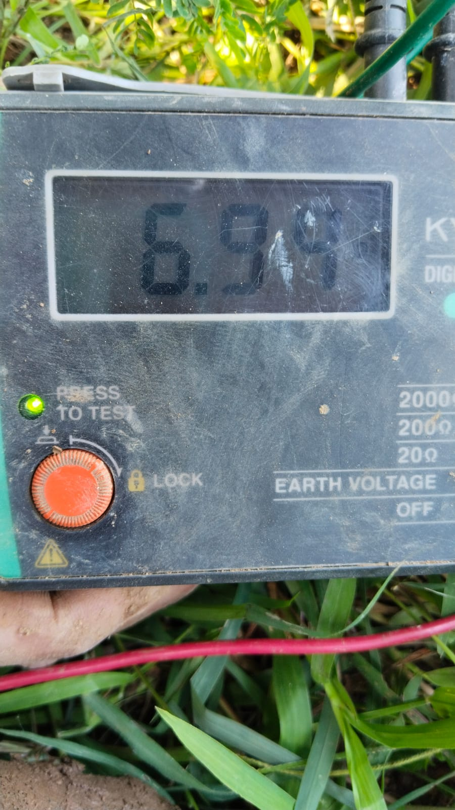
Hari | Full Charcoal | Foto | Hari | Full of Rice Husk ash | Foto | Hari | 30 % rice husk and 70% mangrove wood charcoal | Foto | Hari | 70 % rice husk and 30% mangrove wood charcoa | Foto
1 | 4.19 | 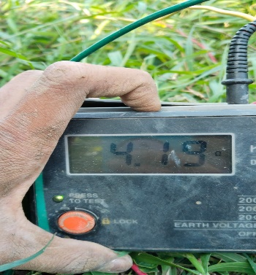 | 1 | 3.65 | 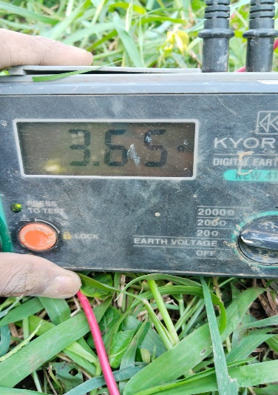 | 1 | 4.47 |  | 1 | 4.05
2 | 4.01 | 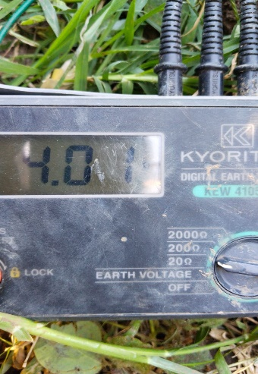 | 2 | 3.87 | 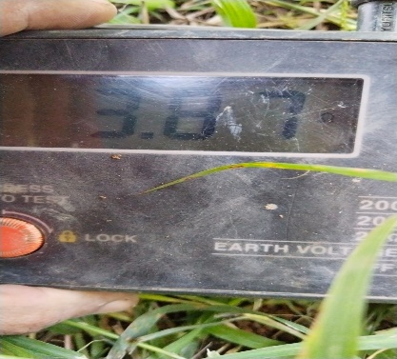 | 2 | 3.97 | 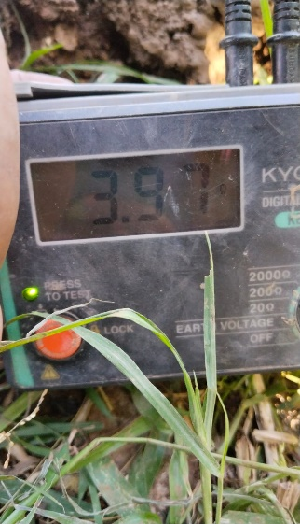 | 2 | 3.9
3 | 3.98 | 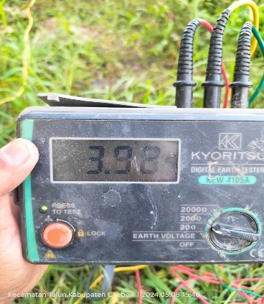 | 3 | 3.96 | 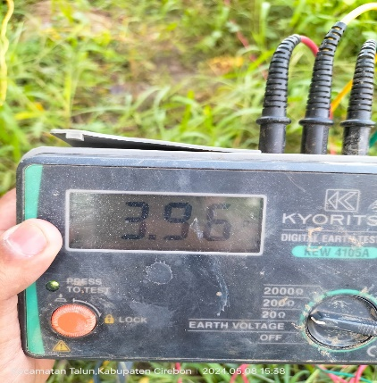 | 3 | 4.07 |  | 3 | 3.7 | 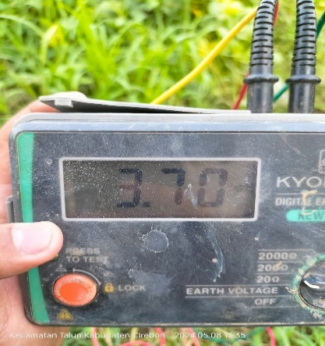
4 | 3.73 | 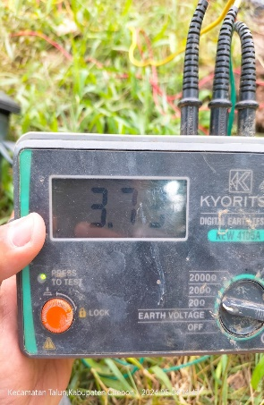 | 4 | 4.02 |  | 4 | 4.2 |  | 4 | 3.67
5 | 3.14 |  | 5 | 3.24 | 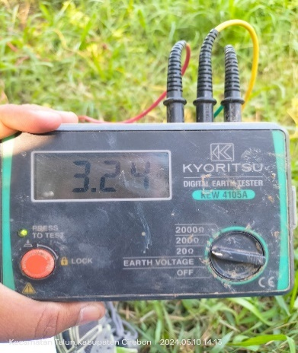 | 5 | 4.07 |  | 5 | 3.59 | 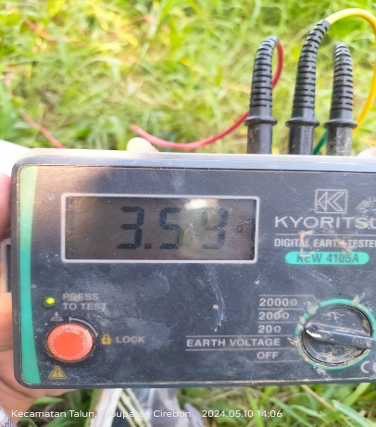

 |  | hasil awal murni tanah

